Sumário
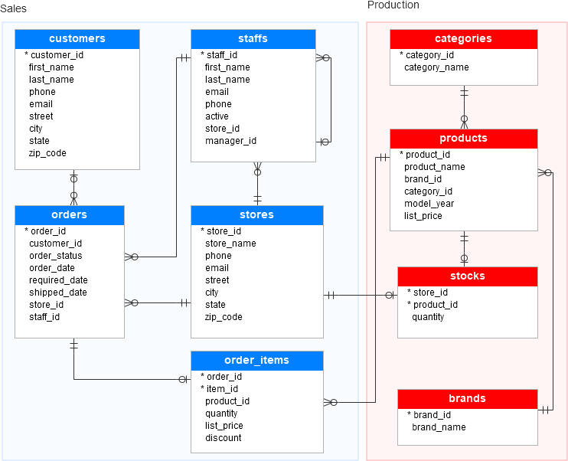
Tabela | Descrição breve
brands | A tabela de marcas armazena informações sobre as marcas de bicicletas, por exemplo, Electra, Haro e Heller.
categories | A tabela de categorias armazena as categorias das bicicletas, como bicicletas infantis, bicicletas de conforto e bicicletas elétricas.
customers | A tabela de clientes armazena informações do cliente, incluindo nome, sobrenome, telefone, e-mail, rua, cidade, estado e CEP.
order_items | A tabela `order_items` armazena os itens de um pedido de venda. Cada item pertence a um pedido de venda especificado pela coluna `order_id`. Um item de um pedido de venda inclui produto, quantidade, preço de tabela e desconto.
orders | A tabela de pedidos armazena as informações do cabeçalho do pedido de venda, incluindo cliente, status do pedido, data do pedido, data de entrega e data de envio. Ela também armazena informações sobre onde a transação de venda foi criada (store) e quem a criou (staff). Cada pedido de venda possui uma linha na tabela `pedidos_de_venda`. Um pedido de venda possui um ou mais itens armazenados na tabela `order_items`.
products | A tabela de produtos armazena informações sobre os produtos, como nome, marca, categoria, ano do modelo e preço de tabela. Cada produto pertence a uma marca especificada pela coluna `brand_id`. Portanto, uma marca pode ter zero ou vários produtos. Cada produto também pertence a uma categoria especificada pela coluna `category_id`. Da mesma forma, cada categoria pode ter zero ou vários produtos.
staffs | A tabela de funcionários armazena as informações essenciais dos funcionários, incluindo nome e sobrenome. Também contém informações de contato, como e-mail e telefone. Um funcionário trabalha em uma loja especificada pelo valor na coluna `store_id`. Uma loja pode ter um ou mais funcionários. Um funcionário se reporta a um gerente de loja especificado pelo valor na coluna `manager_id`. Se o valor em `manager_id` for nulo, o funcionário é o gerente principal. Se um funcionário não trabalha mais para nenhuma loja, o valor na coluna `active` é definido como zero.
stocks | A tabela de estoques armazena as informações de inventário, ou seja, a quantidade de um determinado produto em uma loja específica.
stores | A tabela de lojas inclui as informações de cada loja. Cada loja possui um nome, informações de contato como telefone e e-mail, e um endereço completo com rua, cidade, estado e CEP.

